HYDEST
HYDROLOGICAL CALCULATION

Job | Due Deligence Study of Isuwa Khola HPP
Subject | HYDEST, 1991

Location | ISUWA
Catchment Area | 217.89 | km2 |  | Monsoon Wetness index |  | 2500
Area Below 5000m | 209.73 | km2 |  | Area Below 3000m |  | 70.31 | km2
Extreme Hydrology
Flood Flow, Q m3/s |  |  | Low Flows
Return Period | Instantaneous | Daily | Return Period | Day | Low flows, Q m3/s
2 | 80 | 48 | 2 | 1 | 1.6
5 | 134 | 72 |  | 7 | 1.6
10 | 176 | 90 |  | 30 | 1.9
20 | 220 | 108 |  | Monthly | 2.1
50 | 284 | 133 | 10 | 1 | 1.0
100 | 336 | 152 |  | 7 | 1.1
200 | 392 | 173 |  | 30 | 1.4
500 | 472 | 201 |  | Monthly | 1.5
1000 | 538 | 223 | 20 | 1 | 0.8
5000 | 711 | 280 |  | 7 | 1.0
10000 | 794 | 306 |  | 30 | 1.3
 |  |  |  | Monthly | 1.4

Monthly Flow
Long term Hydrology
Mean Monthly Flows
Month | Flow, Q m3/s |  |  |  |  |  |  | C | A1 | A2 | A3
January | 2.7 |  |  |  |  |  |  | 0.014230 | 0 | 0.9777 | 0
February | 2.3 |  |  |  |  |  |  | 0.012190 | 0 | 0.9766 | 0
March | 2.0 |  |  |  |  |  |  | 0.009988 | 0 | 0.9948 | 0
April | 2.1 |  |  |  |  |  |  | 0.007974 | 0 | 1.0435 | 0
May | 2.9 |  |  |  |  |  |  | 0.008434 | 0 | 1.0898 | 0
June | 11.5 |  |  |  |  |  |  | 0.006943 | 0.9968 | 0 | 0.2610
July | 33.9 |  |  |  |  |  |  | 0.021230 | 0 | 1.009300 | 0.2523
August | 40.9 |  |  |  |  |  |  | 0.025480 | 0 | 0.996300 | 0.2620
September | 31.7 |  |  |  |  |  |  | 0.016770 | 0 | 0.989400 | 0.2878
October | 13.7 |  |  |  |  |  |  | 0.009724 | 0 | 0.988000 | 0.2508
November | 6.6 |  |  |  |  |  |  | 0.001760 | 0.9605 | 0 | 0.3910
December | 4.2 |  |  |  |  |  |  | 0.001485 | 0.9536 | 0 | 0.3607
Mean Monthly Flow | 12.9
Maximum flow occurred | 40.9
Minimum flow | 2.0

Flow Duration Curve
Flow Duration Curve
Probability of Excedence (%) |  | Discharge
0 |  | 83.0
5 |  | 46.6
20 |  | 27.3
40 |  | 7.4
50 |  | 5.5
60 |  | 3.6
65 |  | 3.2
80 |  | 2.0
95 |  | 1.3
100 |  | 1.2

Modified HYDEST
HYDROLOGICAL CALCULATION
Job | Due Deligence Study of Isuwa Khola HPP
Subject | Modified HYDEST
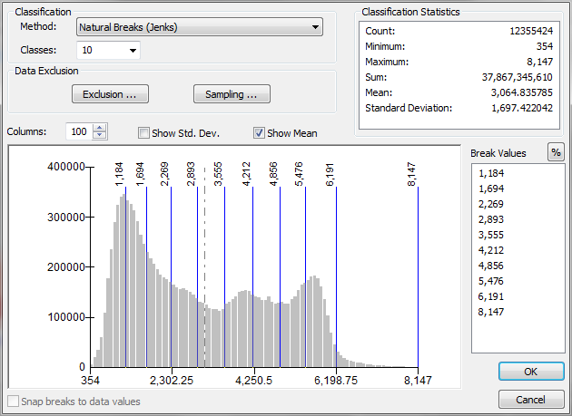
Location | ISUWA |  | Average altitude | 3492.97 | m
Catchment Area | 217.89 | km2 | Annual Wetness index | 2500.0 | mm
Area Below 5000m | 209.73 | km2 | Area Below 3000m | 70.31 | km2
Extreme Hydrology
Flood flows |  |  |  |  | Low Flows |  |  | Flood flows |  |  | Low Flows
Return Period, T yrs |  | Flood flows, Q m3/s |  |  | Return Period | Day | Low flows, Q m3/s | Standard Normal Variate, s |  |  | Cd,T | Fd,T
2 |  | 89 |  |  | 2 | 1 | 1.945 | 0 |  |  | 0.2144 | 0.08150
5 |  | 159 |  |  |  | 7 | 2.068 | 0.842 |  |  | 0.2362 | 0.08300
10 |  | 215 |  |  |  | 30 | 2.370 | 1.282 |  |  | 0.3026 | 0.08540
20 |  | 276 |  |  |  | Monthly | 2.513 | 1.645 |  |  | 0.3397 | 0.08600
50 |  | 367 |  |  | 10 | 1 | 1.303 | 2.054 |  |  | 0.0859 | 0.07290
100 |  | 442 |  |  |  | 7 | 1.381 | 2.326 |  |  | 0.0920 | 0.07480
200 |  | 526 |  |  |  | 30 | 1.664 | 2.576 |  |  | 0.1807 | 0.07660
500 |  | 648 |  |  |  | Monthly | 1.793 | 2.878 |  |  | 0.2138 | 0.07770
1000 |  | 750 |  |  | 20 | 1 | 1.184 | 3.09 |  |  | 0.0698 | 0.07030
5000 |  | 1023 |  |  |  | 7 | 1.249 | 3.54 |  |  | 0.0662 | 0.07260
10000 |  | 1158 |  |  |  | 30 | 1.526 | 3.719 |  |  | 0.1609 | 0.07420
 |  |  |  |  |  | Monthly | 1.655 |  |  |  | 0.1945 | 0.07540

Long term Hydrology
Monthly Flow
Mean Monthly Flows
Month | Flow, Q m3/s
January | 4.8 |  |  |  |  |  |  | Const | Elevation | Annual Precipitation | Area below 3000 | Area below 5000
February | 4.1 |  |  |  |  |  |  | a | b | c | d | e
March | 2.9 |  |  |  |  |  |  | -16.7000 | 1.360 | 0.470 | 0.820 | -
April | 2.8 |  |  |  |  |  |  | -17.2000 | 1.420 | 0.456 | 0.814 | -
May | 3.9 |  |  |  |  |  |  | 0.3840 | - | - | - | 0.091
June | 18.0 |  |  |  |  |  |  | 0.1810 | - | - | - | 0.104
July | 39.6 |  |  |  |  |  |  | 0.0001 | - | - | - | 0.136
August | 53.9 |  |  |  |  |  |  | -19.5000 | 1.610 | 0.709 | 0.872 | -
September | 34.8 |  |  |  |  |  |  | -16.3000 | 1.260 | 0.759 | 0.884 | -
October | 17.5 |  |  |  |  |  |  | -14.7000 | 1.240 | 0.622 | 0.871 | -
November | 8.6 |  |  |  |  |  |  | -13.7000 | 1.090 | 0.594 | 0.872 | -
December | 5.9 |  |  |  |  |  |  | -15.3000 | 1.210 | 0.600 | 0.846 | -
Mean Monthly Flows | 16.4 |  |  |  |  |  |  | -16.7000 | 1.360 | 0.543 | 0.826 | -
Maximum flow occurred | 53.9 |  |  |  |  |  |  | -17.0000 | 1.390 | 0.504 | 0.822 | -
Minimum flow | 2.8
Ratio | 18.9

Flow Duration curve |  |  |  |  |  |  |  | Const | Elevation | Annual Precipitation | Area below 3000 | Area below 5000
Probability percentage,% |  | Flow, Q m3/s |  |  |  |  |  | a | b | c | d | e
0 |  | 176.0 |  |  |  |  |  | -12.80 | 0.366 | - | 0.529 | -
5 |  | 49.7 |  |  |  |  |  | -13.60 | 1.108 | 0.607 | 0.874 | -
20 |  | 31.3 |  |  |  |  |  | -17.00 | 1.359 | 0.716 | 0.883 | -
40 |  | 11.8 |  |  |  |  |  | -19.00 | 1.554 | 0.656 | 0.859 | -
50 |  | 8.8
60 |  | 5.9 |  |  |  |  |  | -18.30 | 1.535 | 0.513 | 0.832 | -
65 |  | 5.5
80 |  | 4.4 |  |  |  |  |  | -19.40 | 1.589 | 0.559 | 0.834 | -
95 |  | 3.3 |  |  |  |  |  | -21.20 | 1.732 | 0.598 | 0.842 | -
100 |  | 1.8 |  |  |  |  |  | -2.18 | - | 0.048 | - | 0.077

